About
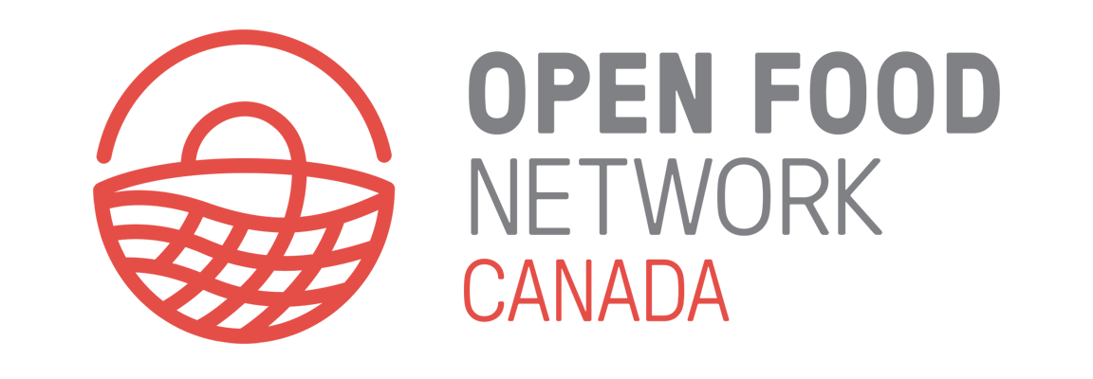
ABOUT THIS RESOURCE
The prices listed in this spreadsheet represent the prices paid by designers and florists who purchased flowers from an Open Food Network online marketplace (‘flower hub’) in 2024. The prices are pooled for the entire season, across 7 hubs located in Alberta and Ontario, with some hubs in large cities and others in small towns. Prices shown are all ‘per stem’. Flowers that were sold in other formats (by the bunch or by the bucket) have been converted into per stem prices for the purpose of comparison. The prices are not differentiated based on quality characteristics (blooms per stem, stem length, and so on).
This resource is intended for informational purposes only. It is essential to consider the many factors that influence pricing, including your business model, the size of your farm, the demographics of your community, the amount of design time you put into the finished product and more.
SPREADSHEET CONTENTS
Column A lists 140 different products, sorted alphabetically by default. Note that we have pooled different varieties together to simplify the data, and that these products were chosen based on popularity. There are other less popular flowers and stems not included on this list.
Column B shows the average price for each flower type. Usually, if you are selling by the bunch or by the stem, you would select this price. Note that these marketplaces have high standards; consider this average price to be the price paid for a high-quality stem.
Column C shows the lowest sale price for the flower type. This figure typically represents the price paid when the designer is buying in bulk (by the bucket sales, or large standing orders with flower shops), or if the stems are of a lower quality such as short stems.
Column D shows the highest sale price for the flower type. Note that these maximum prices should be considered outliers, with very few stems sold at this price. Usually these high prices represent specific circumstances, such as out-of-season offerings from a farmer with a greenhouse or a new variety that is not yet commonly available.
Column E shows you how many of this flower type were sold, as a percentage of all sold stems. In effect, this tells you how popular this flower type was with buyers in 2024.
Column F shows the total online sales of each flower type (the figure does not include sales that were made outside of the online marketplaces).

TIPS FOR USE
Make a copy of the spreadsheet in Google Drive or download to your computer.
Sort however you like. For example you can sort by average price, or relative popularity of different flower types.
To apply prices to your own sales: 1. List the types and quantities of stems you are using/selling, and choose a price point for each product, considering the minimum, maximum and average given; 2. Calculate the total raw ‘stem cost’ by applying the price to each type of product and then totalling the amount; 3. Select a multiplication factor based on the type of sale and your particular situation, and apply it to this flower cost.

